Sheet1
DATE | INV NO. | DESCRIPTIONS | AMOUNT | BILLS | PRICE | TOTAL
16-Oct-2025 | INX/NABLIX/25/10/0046 | GIFFARD PARFAIT TRIPLE SEC | 3 | 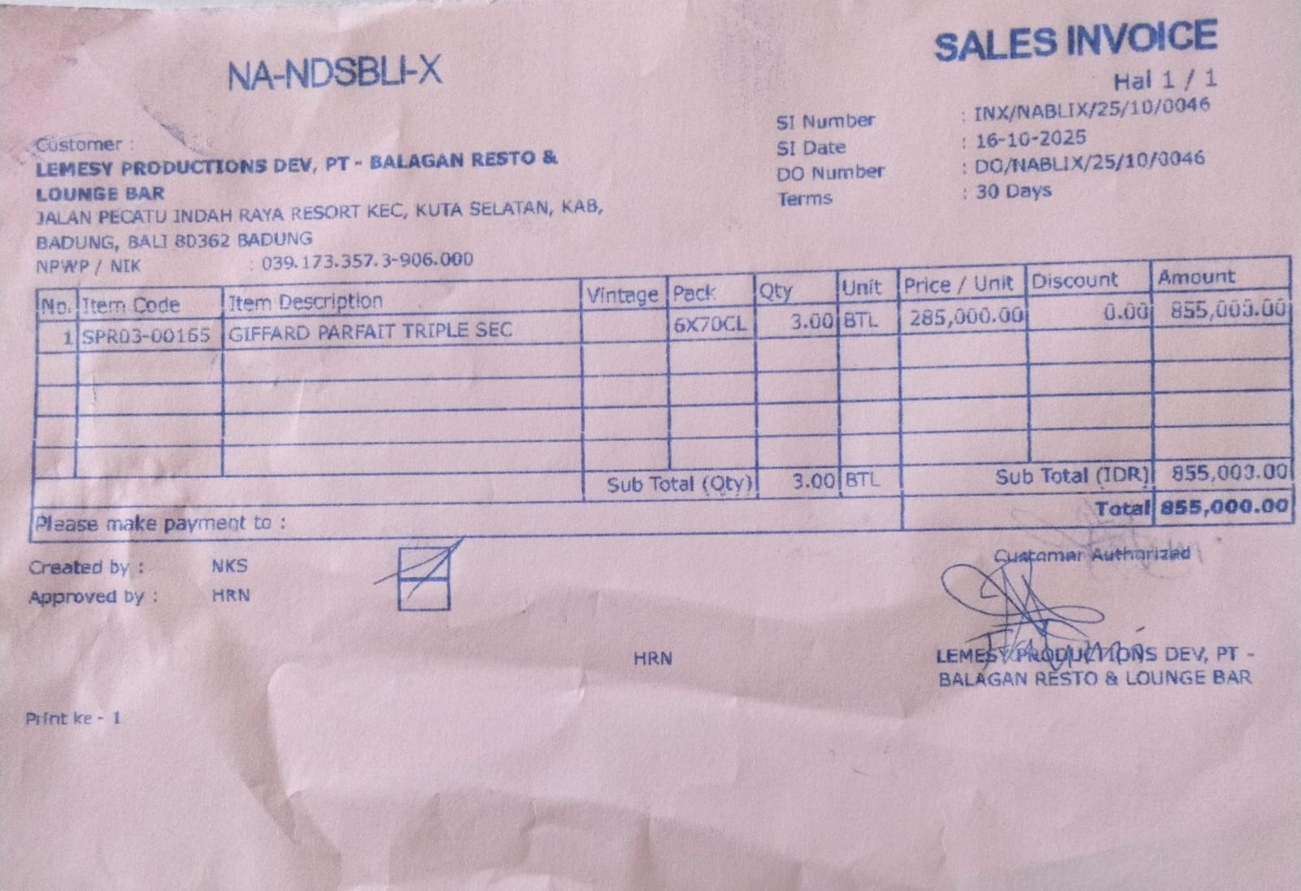 | IDR 285,000 | IDR 855,000
SUB TOTAL |  |  | 3
TOTAL |  |  |  | IDR 855,000
20-Oct-2025 | INX/NABLIX/25/10/0052 | APEROL | 3 | 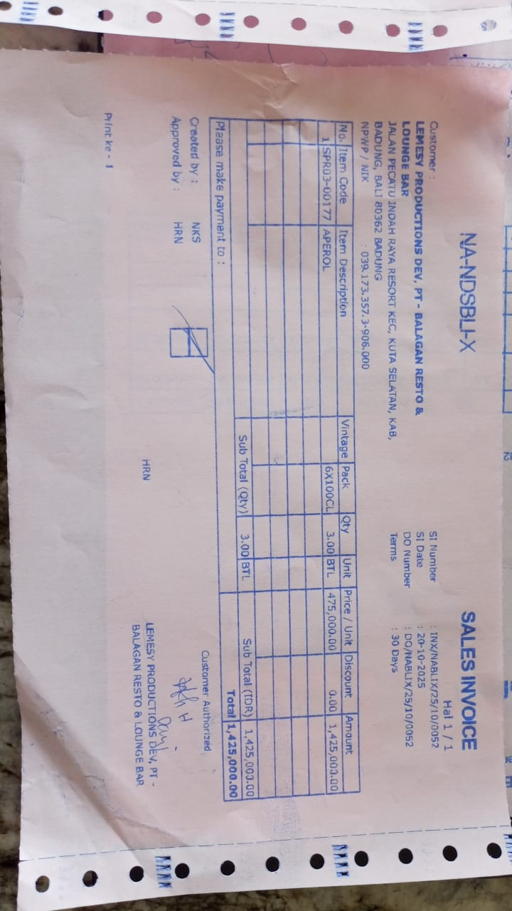 | IDR 475,000 | IDR 1,425,000
SUB TOTAL |  |  | 3
TOTAL |  |  |  | Rp1,425,000
GRAND TOTAL |  |  |  | IDR 2,280,000

